Sheet1
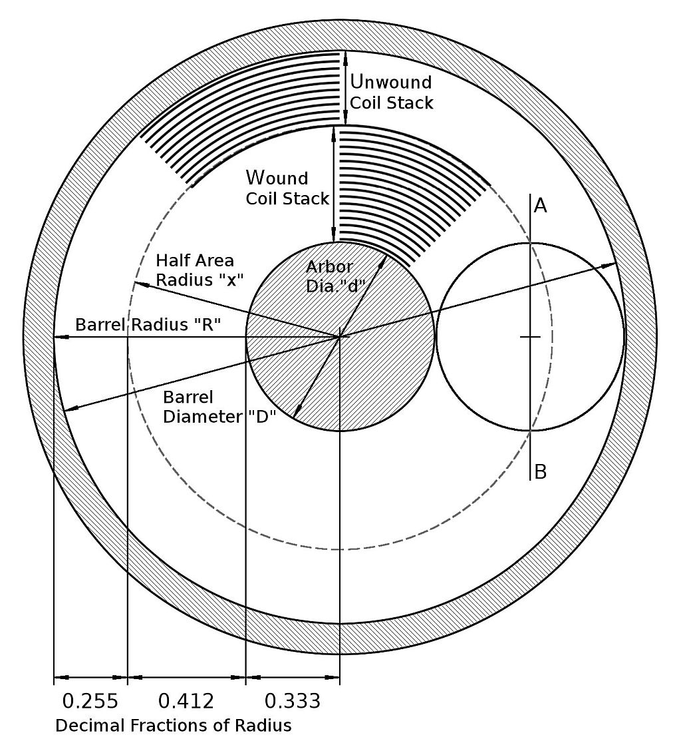
Mainspring Calculators
Version 1.2, September 2019
Eur Ing David Boettcher FBHI © 2017–2019. May be distributed freely provided that this copyright notice is included.
Comments or questions welcomed at David.Boettcher@talktalk.net

 | 1. Spring Thickness and Length |  |  |  | Scroll down the page for more calculators.

 | Enter inside diameter of barrel and outside diameter of arbor and the required number of turns into the green box. The calculator will work out the dimensions shown in the figure. The sensitivity of turns to change of length to give “fills” between 30% and 70% is also shown.

 | Input Data |  | Overwrite the data in the green box
 | Barrel Inside Diameter (ID) “D” |  |  | 10.00 | mm
 | Arbor Outside Diameter (OD) “d” |  |  | 3.33 | mm | (Enter “=E11/3” to automatically fill with one third barrel ID.)
 | Required Number of Turns “T” |  |  | 10.00

 | Calculations
 | Barrel Inside Radius |  |  | 5.00 | mm | Ratio Barrel ID to Spring Thickness |  | 127
 | Arbor Radius |  |  | 1.67 | mm | Number of Coils in Wound Coil Stack |  | 26.2
 | Area between Arbor and Barrel |  |  | 70 | mm^2 | Number of Coils in Unwound Coil Stack |  | 16.2
 | Half Area Radius “x” |  |  | 3.73 | mm | Diff. Wound to Unwound Coils |  | 10
 | Depth of Wound Coil Stack |  |  | 2.06 | mm | Spring Length to give 50% Fill |  | 444 | mm
 | Depth of Unwound Coil Stack |  |  | 1.27 | mm | Ratio Spring Length to Barrel ID |  | 44.4
 | Wound to Unwound Coil Stack Difference |  |  | 0.79 | mm | Spring Length to give 30% Fill |  | 266 | mm
 | Spring Thickness (Stack Diff / Turns) |  |  | 0.079 | mm | Increment 10% Length |  | 18 | mm

 | Length | Fill % | Turns
 | 266 | 30% | 8.75
 | 284 | 32% | 8.99
 | 302 | 34% | 9.21
 | 319 | 36% | 9.40
 | 337 | 38% | 9.56
 | 355 | 40% | 9.69
 | 373 | 42% | 9.81
 | 390 | 44% | 9.89
 | 408 | 46% | 9.95
 | 426 | 48% | 9.99
 | 444 | 50% | 10.00
 | 461 | 52% | 9.99
 | 479 | 54% | 9.95
 | 497 | 56% | 9.89 |  |  |  |  |  |  |  | 3. Turns and Fill% for any Barrel, Arbor and Spring Dimensions
 | 515 | 58% | 9.81
 | 532 | 60% | 9.69 |  |  |  |  |  |  |  | Input Data | Overwrite the data in the green box
 | 550 | 62% | 9.56 |  |  |  |  |  |  |  | Barrel ID | 10.30 | mm or inches
 | 568 | 64% | 9.40 |  |  |  |  |  |  |  | Arbor OD | 2.45 | mm or inches
 | 586 | 66% | 9.21 |  |  |  |  |  |  |  | Spring Thickness | 0.110 | mm or inches
 | 603 | 68% | 8.99 |  |  |  |  |  |  |  | Spring Length | 320.00 | mm or inches
 | 621 | 70% | 8.75
 |  |  |  |  |  |  |  |  |  |  | Output Data
 |  |  |  |  |  |  |  |  |  |  | Theoretical Turns | 10.03
 | 2. Length Estimators |  |  |  |  |  |  |  |  |  | Fill % | 45%
 |  |  |  |  |  |  |  |  |  |  | Arbor to Barrel | 0.24
 | Length from Coils |  |  |  |  |  | Length from Weight |  |  |  | Barrel/thickness | 94
 |  |  |  |  |  |  |  |  |  |  | Arbor/thickness | 22
 | Input Data |  | Overwrite the data in the green box |  |  |  | Input Data | Overwrite the data in the green box |  |  | Wound Coils | 21.3
 | Barrel Inside Diameter “D” |  |  | 10.30 | mm |  | Spring Weight |  | 0.466 | gm | Unwound Coils | 11.2
 | Spring Thickness “t” |  |  | 0.11 | mm |  | Spring Thickness “t” |  | 0.13 | mm | Difference | 10.0
 | Number of Coils Against Barrel Wall N |  |  | 13.00 |  |  | Spring Height (Width) |  | 1.34 | mm

 | Estimated Length of Spring |  |  | 362 | mm |  | Estimated Length of Spring | Steel | 341 | mm | 4. Spring Length Required to Fill 50%
 |  |  |  |  |  |  |  | Alloy | 322 | mm
 |  |  |  |  |  |  |  |  |  |  | Input Data | Overwrite the data in the green box
 |  |  |  |  |  |  |  |  |  |  | Barrel ID | 10.30 | mm or inches
 |  |  |  |  |  |  |  |  |  |  | Arbor OD | 2.45 | mm or inches
 |  |  |  |  |  |  |  |  |  |  | Spring Thickness | 0.110 | mm or inches

 |  |  |  |  |  |  |  |  |  |  | Output Data
 |  |  |  |  |  |  |  |  |  |  | Required Length | 357 | mm or inches
 |  |  |  |  |  |  |  |  |  |  | Theoretical Turns | 10.1
 |  |  |  |  |  |  |  |  |  |  | Barrel/thickness | 94
 |  |  |  |  |  |  |  |  |  |  | Arbor/thickness | 22
 |  |  |  |  |  |  |  |  |  |  | Length/Barrel | 35
 |  |  |  |  |  |  |  |  |  |  | Fill % (confirm) | 50%

